Description
Piston Displacement Model

Author Crystal Ball Team in collaboration with Eric Torkia, MASc, Technology Partnerz Ltd

Summary This model demonstrates how Crystal Ball can be used in the design phase of a project to determine the optimal specifications for production. In this case, the product is a piston assembly. The piston displacement needs to be within a certain range to meet customer requirements. The values that impact the piston displacement are defined as assumptions with the appropriate probability distributions. As a result, you can determine the likelihood of producing assemblies outside of the specification.

Keywords: piston, displacement, DFSS, mechanical design, tolerance analysis, Cpk

Discussion
This model is used for the design of a piston assembly. Three separate components, the crank length, connecting rod length, and piston height determine the piston displacement. These variables are defined as assumptions. The lower specification limit (LSL) and upper specification limit (USL) are calculated by subtracting and adding the tolerance to the target value, respectively.

The process capability, Cpk, is a function of the standard deviation of each of the variables and the difference between the value of the variable and the specification limits. The total defects per million opportunities (DPMO) is also calculated by Crystal Ball and automatically entered in the spreadsheet for the piston displacement.

The actual lengths of the piston assembly parts are not produced at exactly the target values. Each length has a different degree of uncertainty, defined by the standard deviation values in the model worksheet. These values are used in the probability distributions that describe the assumptions of the lengths of each of the parts. When the simulation runs, random values are chosen from each of the distributions and the value of the forecast, piston displacement, is recorded for each trial. The distribution of the forecast is then used to determine the likelihood of producing a piston assembly outside of the specification limits. Based on the inputs in the model, we would expect about 99% of our production to meet the specification limits.

With this model in place, you can use OptQuest to adjust the target values for each of the three contributing variables and minimize the DPMO of the entire assembly. To do so, you would need to define each of the target values as a decision variable. Using this model before completing design of the system saves you the expense of creating defective assemblies that can be eliminated by optimizing the system during the design phase of the project.
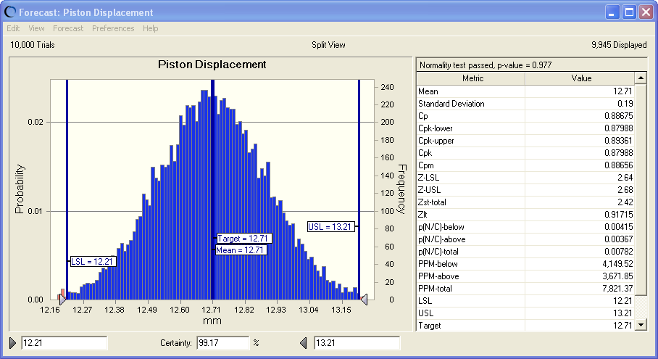
Using Crystal Ball
Crystal Ball enhances your Excel model by allowing you to create probability distributions that describe the uncertainty surrounding specific input variables. This model includes three probability distributions, referred to in Crystal Ball as "assumptions." These assumptions describe the variation in the Crank Length, Connecting Rod Length, and Piston Height. Each assumption cell is colored green and is marked by an Excel note (mouse over the cell to view the note). To view the details of an assumption, highlight the cell and either select Define Assumption from the Define menu or click on the Define Assumption button on the Crystal Ball toolbar.

This model also includes one Crystal Ball forecast, shown in light blue. Forecasts are equations, or outputs, that you want to analyze after a simulation. During a simulation, Crystal Ball saves the values in the forecast cells and displays them in a forecast chart, which is a histogram of the simulated values. In this example, you want to analyze the Piston Displacement. To view a forecast with Crystal Ball, highlight the cell and either select Define Forecast from the Define menu or click on the Define Forecast button on the toolbar.

When you run a simulation, Crystal Ball generates a random number for each assumption (based on how the assumption has been defined) and places that new value in the cell. Excel then recalculates the model. You can test this by selecting Single Step from the Run menu or clicking on the Single Step button on the toolbar.
After you run a simulation, you will see the Piston Displacement forecast chart. The capability metrics that you see in the spreadsheet are also updated. To change which statistics are extracted to the spreadsheet after each simulation, in the forecast window (histogram) select Preferences > Forecast. Click the Auto Extract tab. Use the checkboxes to select or deselect values to be displayed automatically on the spreadsheet following each simulation. To see the effect of the change, you will need to reset the simulation (Run > Reset Simulation) and run the simulation again (Run > Start Simulation).

What impact would changing the standard deviation of the part sizes have on the process capability? Would other mean values for any of the part sizes result in fewer DPMO? Would a narrow or wide distribution of the simulation results be most preferable?

To view which of the three part sizes has the greatest impact on a particular forecast, use a sensitivity chart. You can open a sensitivity chart by selecting Forecast > Open Sensitivity Chart in the forecast window. Which variable most affects the piston displacement? How would reducing the variability of the size of that part impact the Cpk? How would it affect the DPMO?

Copyright Information Copyright © 2004, 2015, Oracle and/or its affiliates. All rights reserved. Oracle is a registered trademark of Oracle Corporation and/or its affiliates. Other names may be trademarks of their respective owners.

Model
Piston Displacement Model |  |  |  |  |  |  |  | Learn about model

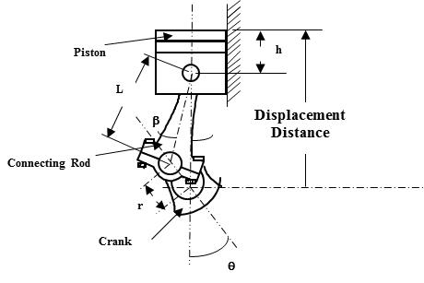
 |  |  |  |  | Crank Angle Table
 |  |  |  |  | Angle (deg) | Target | Tol (+/-)
 |  |  |  |  | 0 | 15.75 | 0.5
 |  |  |  |  | 45 | 14.77 | 0.5
 |  |  |  |  | 90 | 12.71 | 0.5
 |  |  |  |  | 135 | 11.09 | 0.5
 |  |  |  |  | 180 | 10.55 | 0.5
 |  |  |  |  | 225 | 11.09 | 0.5
 |  |  |  |  | 270 | 12.71 | 0.5
 |  |  |  |  | 315 | 14.77 | 0.5
 |  |  |  |  | 360 | 15.75 | 0.5

Before running this model, enable the Capability Statistics feature in the Run Preferences dialog.
Design Parameters
Var | Name | Nom Value | Std Dev | Target
q | Crank Angle (deg) | 90
b | Connecting Rod Angle (deg) | 19
r | Crank Length (mm) | 2.60 | 0.15 | 2.60
l | Connecting Rod Length (mm) | 7.90 | 0.15 | 7.90
H | Piston Height (mm) | 5.25 | 0.09 | 5.25

Model Calculation
 | Piston Displacement | 12.71 | 0.00 | 12.71
 | Tolerance (+/-) | 0.5
 | LSL | 12.21
 | USL | 13.21

Capability of Design (Output) |  |  |  |  | Piston Displacement Probability Table
 | Capability Metrics | Value |  |  | LSL | 0 | 12.21
 | Mean | 12.71 |  |  |  | 0 | 12.21
 | Standard Deviation | 0.19 |  |  | USL | 0 | 13.21
 | Cp | 0.8638 |  |  | 0 | 0 | 13.21
 | Cpk-lower | 0.8667 |  |  |  | Probability Density | X-value
 | Cpk-upper | 0.8610 |  |  | 1 | 0.00 | 0.00
 | Cpk | 0.8610 |  |  | 2 | 0.00 | 0.00
 | Cpm | 0.8638 |  |  | 3 | 0.00 | 0.00
 | Z-LSL | 2.60 |  |  | 4 | 0.00 | 0.00
 | Z-USL | 2.58 |  |  | 5 | 0.00 | 0.00
 | Zst-total | 2.34 |  |  | 6 | 0.00 | 0.00
 | Zlt | 0.8432 |  |  | 7 | 0.00 | 0.00
 | p(N/C)-below | 0.0047 |  |  | 8 | 0.00 | 0.00
 | p(N/C)-above | 0.0049 |  |  | 9 | 0.00 | 0.00
 | p(N/C)-total | 0.0096 |  |  | 10 | 0.00 | 0.00
 | PPM-below | 4,661.31 |  |  | 11 | 0.00 | 0.00
 | PPM-above | 4,898.98 |  |  | 12 | 0.00 | 0.00
 | PPM-total | 9,560.29 |  |  | 13 | 0.00 | 0.00
 | LSL | 12.21 |  |  | 14 | 0.00 | 0.00
 | USL | 13.21 |  |  | 15 | 0.00 | 0.00
 | Target | 12.71 |  |  | 16 | 0.00 | 0.00
 | Z-score shift | 1.50 |  |  | 17 | 0.00 | 0.00
 |  |  |  |  | 18 | 0.00 | 0.00
 |  |  |  |  | 19 | 0.00 | 0.00
 |  |  |  |  | 20 | 0.00 | 0.00
 |  |  |  |  | 21 | 0.00 | 0.00
 |  |  |  |  | 22 | 0.00 | 0.00
 |  |  |  |  | 23 | 0.00 | 0.00
 |  |  |  |  | 24 | 0.00 | 0.00
 |  |  |  |  | 25 | 0.00 | 0.00
 |  |  |  |  | 26 | 0.00 | 0.00
 |  |  |  |  | 27 | 0.00 | 0.00
 |  |  |  |  | 28 | 0.00 | 0.00
 |  |  |  |  | 29 | 0.00 | 0.00
 |  |  |  |  | 30 | 0.00 | 0.00
 |  |  |  |  | 31 | 0.00 | 0.00
 |  |  |  |  | 32 | 0.00 | 0.00
 |  |  |  |  | 33 | 0.00 | 0.00
 |  |  |  |  | 34 | 0.00 | 0.00
 |  |  |  |  | 35 | 0.00 | 0.00
 |  |  |  |  | 36 | 0.00 | 0.00
 |  |  |  |  | 37 | 0.00 | 0.00
 |  |  |  |  | 38 | 0.00 | 0.00
 |  |  |  |  | 39 | 0.00 | 0.00
 |  |  |  |  | 40 | 0.00 | 0.00
 |  |  |  |  | 41 | 0.00 | 0.00
 |  |  |  |  | 42 | 0.00 | 0.00
 |  |  |  |  | 43 | 0.00 | 0.00
 |  |  |  |  | 44 | 0.00 | 0.00
 |  |  |  |  | 45 | 0.00 | 0.00
 |  |  |  |  | 46 | 0.00 | 0.00
 |  |  |  |  | 47 | 0.00 | 0.00
 |  |  |  |  | 48 | 0.00 | 0.00
 |  |  |  |  | 49 | 0.00 | 0.00
 |  |  |  |  | 50 | 0.00 | 0.00

